Лист1
1 |  | 3 |  | 5 | 7
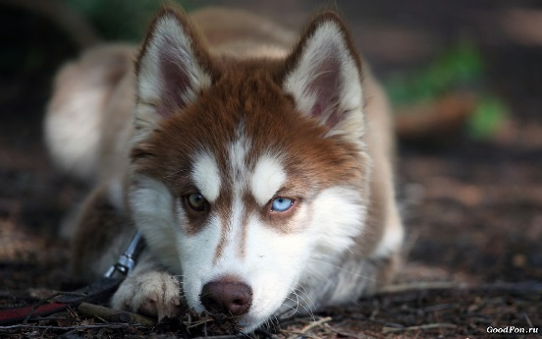
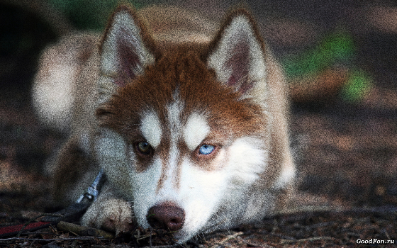
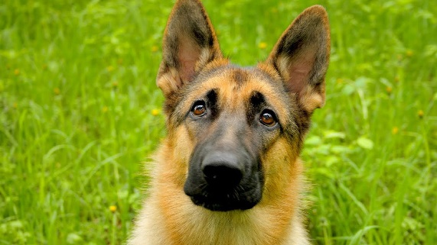


2 |  | 4 |  | 6 | 8
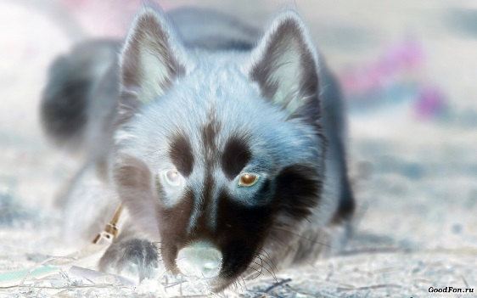
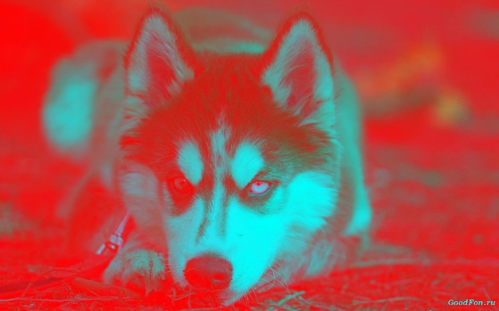
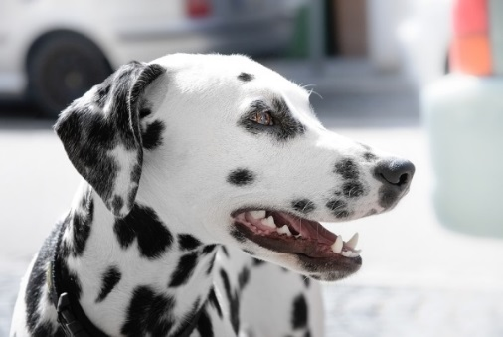
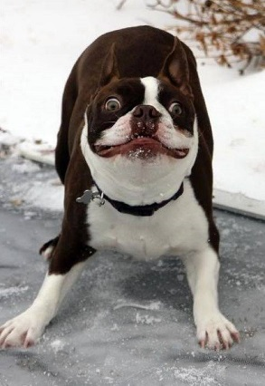

 | InceptionResNetV2 | Xception | InceptionV3 | ResNet50 | VGG16
1 | [('n06596364', 'comic_book', 1.0), ('n02791124', 'barber_chair', 2.4630985e-16), ('n04517823', 'vacuum', 1.5686784e-30)] | [('n03942813', 'ping-pong_ball', 0.996067), ('n03825788', 'nipple', 0.002193758), ('n02115641', 'dingo', 0.001302414)] | [('n04355933', 'sunglass', 0.99999404), ('n04328186', 'stopwatch', 5.899112e-06), ('n03481172', 'hammer', 1.9877837e-09)] | [('n02109961', 'Eskimo_dog', 0.7250614), ('n02110185', 'Siberian_husky', 0.19663619), ('n02114367', 'timber_wolf', 0.04132806)] | [('n02110185', 'Siberian_husky', 0.5012686), ('n02109961', 'Eskimo_dog', 0.48228237), ('n02110063', 'malamute', 0.0113302255)]
2 | [('n06596364', 'comic_book', 1.0), ('n02791124', 'barber_chair', 9.734611e-16), ('n03794056', 'mousetrap', 9.349492e-28)] | [('n03825788', 'nipple', 0.33821505), ('n03445777', 'golf_ball', 0.26017508), ('n04380533', 'table_lamp', 0.17582715)] | [('n03481172', 'hammer', 0.6423828), ('n04131690', 'saltshaker', 0.3564613), ('n04328186', 'stopwatch', 0.0011388136)] | [('n02447366', 'badger', 0.7056196), ('n02109961', 'Eskimo_dog', 0.14799874), ('n02120079', 'Arctic_fox', 0.07836621)] | [('n02114548', 'white_wolf', 0.17537273), ('n02109961', 'Eskimo_dog', 0.15467529), ('n02119789', 'kit_fox', 0.15237416)]
3 | [('n06596364', 'comic_book', 1.0), ('n02791124', 'barber_chair', 6.883661e-13), ('n04517823', 'vacuum', 1.6108145e-26) | [('n03942813', 'ping-pong_ball', 0.4024738), ('n03814906', 'necklace', 0.31476617), ('n03763968', 'military_uniform', 0.12056045)] | [('n03873416', 'paddle', 0.7930111), ('n03908714', 'pencil_sharpener', 0.16705117), ('n04328186', 'stopwatch', 0.020089498)] | [('n02109961', 'Eskimo_dog', 0.38648564), ('n02114367', 'timber_wolf', 0.28422102), ('n02110185', 'Siberian_husky', 0.25712737) | [('n02109961', 'Eskimo_dog', 0.25235328), ('n02114367', 'timber_wolf', 0.24472497), ('n02110185', 'Siberian_husky', 0.23773639)]
4 | [('n06596364', 'comic_book', 1.0), ('n02791124', 'barber_chair', 8.0524296e-11), ('n03794056', 'mousetrap', 1.0205656e-19)] | [('n03942813', 'ping-pong_ball', 0.9999999), ('n03825788', 'nipple', 1.1091648e-07), ('n03983396', 'pop_bottle', 4.619982e-09)] | [('n01665541', 'leatherback_turtle', 0.48702878), ('n01740131', 'night_snake', 0.17378402), ('n03047690', 'clog', 0.16440114)] | [('n03325584', 'feather_boa', 0.41396973), ('n02109961', 'Eskimo_dog', 0.09239971), ('n02342885', 'hamster', 0.06459274)] | [('n03871628', 'packet', 0.06420114), ('n03325584', 'feather_boa', 0.046636574), ('n03929660', 'pick', 0.045797978)]
5 | [('n04517823', 'vacuum', 0.7925445), ('n06596364', 'comic_book', 0.20745546), ('n02791124', 'barber_chair', 3.0746716e-16)] | [('n03942813', 'ping-pong_ball', 0.9958652), ('n03825788', 'nipple', 0.0021939538), ('n02834397', 'bib', 0.00089070847)] | [('n06359193', 'web_site', 1.0), ('n01930112', 'nematode', 1.6442715e-11), ('n04409515', 'tennis_ball', 3.7992716e-13)] | [('n02106662', 'German_shepherd', 0.96479124), ('n02105162', 'malinois', 0.02406217), ('n02109047', 'Great_Dane', 0.0077305576)] | [('n02106662', 'German_shepherd', 0.9813338), ('n02105162', 'malinois', 0.013411643), ('n02106030', 'collie', 0.0035731497)]
6 | [('n06596364', 'comic_book', 1.0), ('n02791124', 'barber_chair', 1.6354096e-31), ('n15075141', 'toilet_tissue', 0.0)] | [('n03942813', 'ping-pong_ball', 0.95359886), ('n03825788', 'nipple', 0.036337283), ('n03445777', 'golf_ball', 0.009435133)] | [('n04522168', 'vase', 0.9920615), ('n03485407', 'hand-held_computer', 0.0069014877), ('n02500267', 'indri', 0.0005936778)] | [('n02110341', 'dalmatian', 0.99987745), ('n02109047', 'Great_Dane', 0.000121973135), ('n02100735', 'English_setter', 2.2103454e-07)] | [('n02110341', 'dalmatian', 0.99939895), ('n02109047', 'Great_Dane', 0.0005410882), ('n02093256', 'Staffordshire_bullterrier', 1.55321e-05)]
7 | [('n06596364', 'comic_book', 1.0), ('n02791124', 'barber_chair', 2.357022e-30), ('n04517823', 'vacuum', 2.9072182e-36)] | [('n03942813', 'ping-pong_ball', 0.99999845), ('n02877765', 'bottlecap', 1.3680132e-06), ('n03594945', 'jeep', 1.0755711e-07)] | [('n03492542', 'hard_disc', 0.99902403), ('n02747177', 'ashcan', 0.0009759174), ('n04366367', 'suspension_bridge', 3.9921183e-10)] | [('n04371774', 'swing', 0.5440612), ('n03445924', 'golfcart', 0.14636256), ('n02113023', 'Pembroke', 0.07558185)] | [('n04371774', 'swing', 0.60274494), ('n02085620', 'Chihuahua', 0.104846), ('n04482393', 'tricycle', 0.031479247)]
8 | [('n06596364', 'comic_book', 1.0), ('n02791124', 'barber_chair', 1.2509308e-31), ('n15075141', 'toilet_tissue', 0.0)] | [('n02115641', 'dingo', 0.841316), ('n03942813', 'ping-pong_ball', 0.15668754), ('n03825788', 'nipple', 0.0015873981)] | [('n06359193', 'web_site', 0.9999894), ('n04399382', 'teddy', 7.959432e-06), ('n03729826', 'matchstick', 2.1431676e-06)] | [('n02096585', 'Boston_bull', 0.9263171), ('n02108915', 'French_bulldog', 0.023291627), ('n02093428', 'American_Staffordshire_terrier', 0.011788672)] | [('n02096585', 'Boston_bull', 0.7240357), ('n02102040', 'English_springer', 0.11862084), ('n02093428', 'American_Staffordshire_terrier', 0.028569797)]

